Test Result(A1)
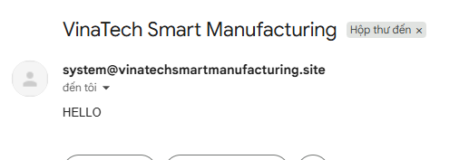
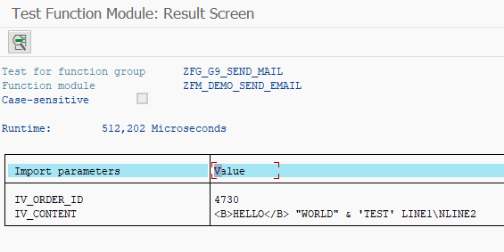
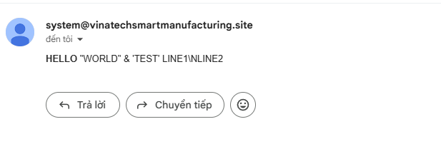
Function ID | Function Name | Created/Updated by | Created date | Reviewed by | Reviewed Date
ZFM_DEMO_SEND_EMAIL | Send Email via SendGrid API | SANGNV | 2026-04-29 | DATNV | 2026-04-29

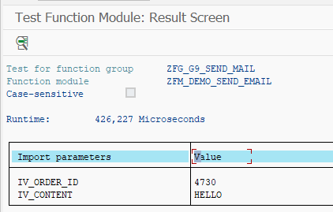
Execution Evidence | Section A1 execution screenshots / logs
Use this sheet to paste screenshots, logs, DB verification output, or email evidence during SIT/UAT.

Test Result(B1)


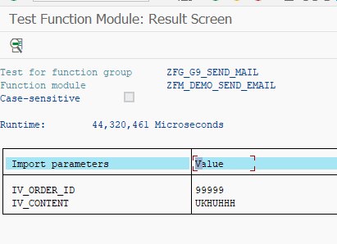
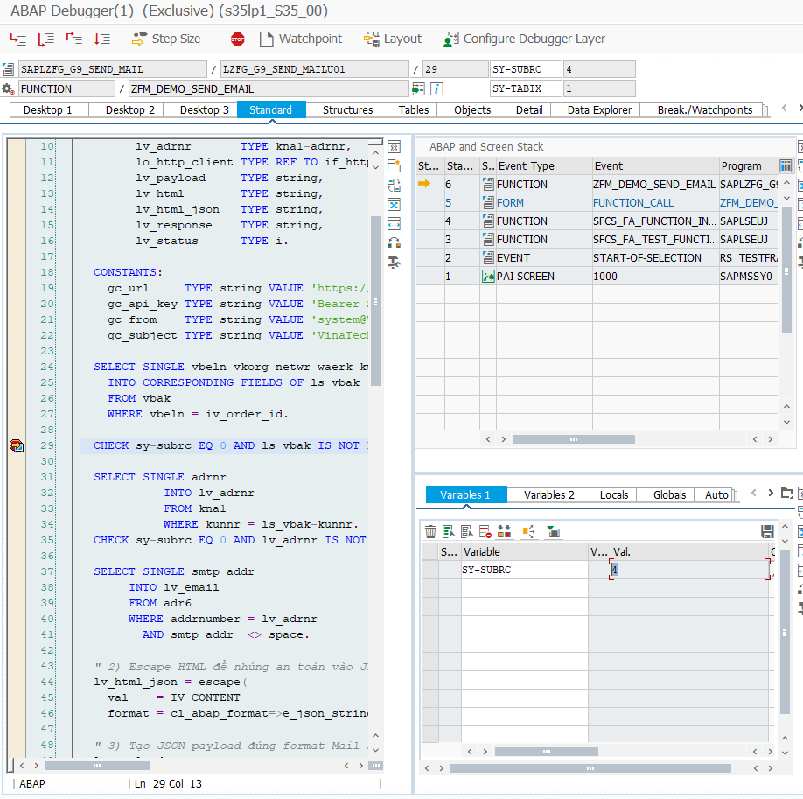
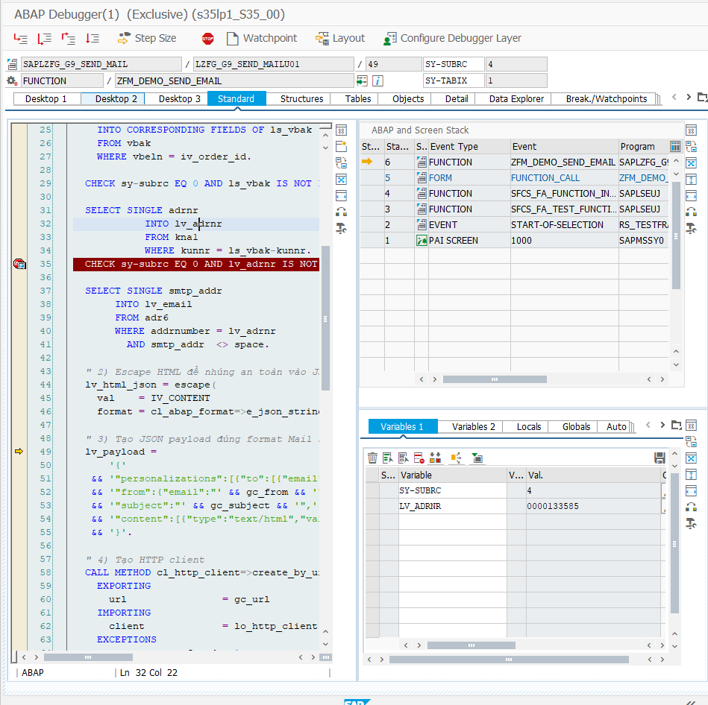
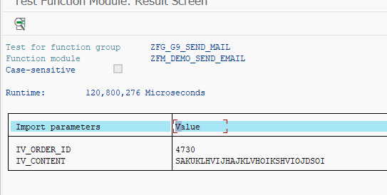
Function ID | Function Name | Created/Updated by | Created date | Reviewed by | Reviewed Date
ZFM_DEMO_SEND_EMAIL | Send Email via SendGrid API | SANGNV | 2026-04-29 | DATNV | 2026-04-29

Execution Evidence | Section B1 execution screenshots / logs
Use this sheet to paste screenshots, logs, DB verification output, or email evidence during SIT/UAT.

Test Result(B2)
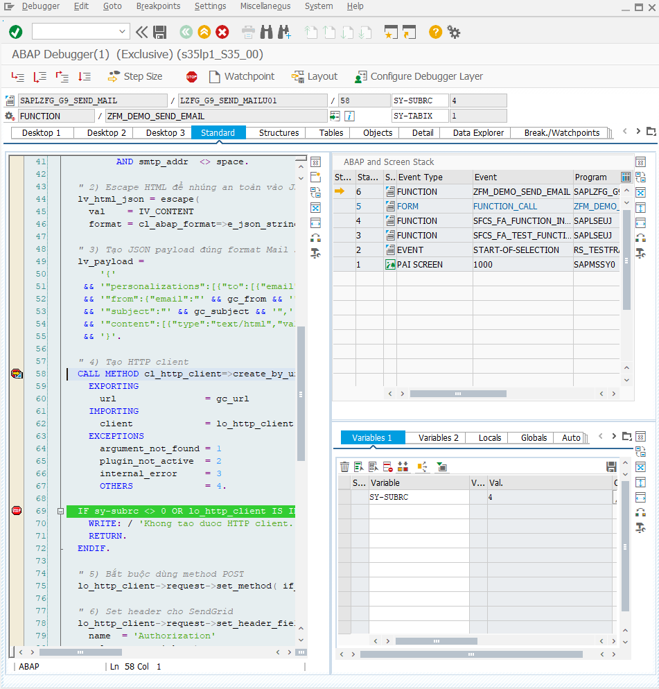
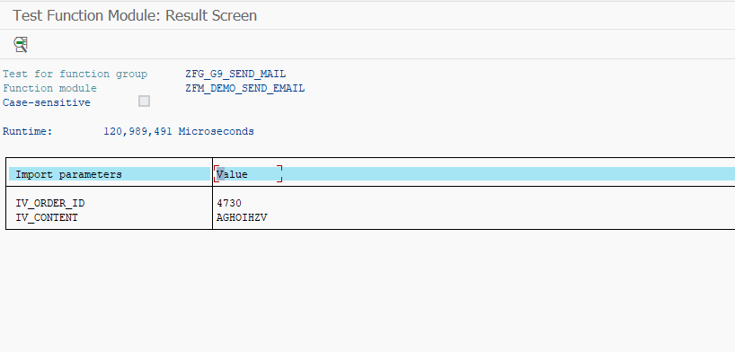
Function ID | Function Name | Created/Updated by | Created date | Reviewed by | Reviewed Date
ZFM_DEMO_SEND_EMAIL | Send Email via SendGrid API | SANGNV | 2026-04-29 | DATNV | 2026-04-29

Execution Evidence | Section B2 execution screenshots / logs
Use this sheet to paste screenshots, logs, DB verification output, or email evidence during SIT/UAT.

Test Result(B3)
Function ID | Function Name | Created/Updated by | Created date | Reviewed by | Reviewed Date
ZFM_DEMO_SEND_EMAIL | Send Email via SendGrid API | SANGNV | 2026-04-29 | DATNV | 2026-04-29


Execution Evidence | Section B3 execution screenshots / logs
Use this sheet to paste screenshots, logs, DB verification output, or email evidence during SIT/UAT.

